Accounts
Accounting
a. Chart of accounts

b. Financial Year declaration
c. Cash Received
d. Bank received
e. Cash Payment
f. Bank Payment
g. Journal
h. All entry submit

 | Chart of accounts
 | Fixed Group
1 | Income
2 | Expenses
3 | Assets
4 | Liability
5 | Cash
6 | Bank
7 | Sales
8 | Purchase

 | Financial declaration

 | Journal voucher entry screen

TYPE=JV
Code no need
In word no need

CONTRA VOUCHER

Use Only cash and bank code |  | Use Only cash and bank code
Type=CON |  | Type=CON

 |  |  | double head is not allow
 |  |  | for 2 rows, one is 5 and other is 6, means atleast one row is 5 and other one is 6
 |  |  | Head of account -> no parent is not allowed, only child.last level-cash in hand and cash at bank child is alowed only. Code,5 and 6 child means staring with 5 or 6
 |  |  | dadite and cradit amount is equal for save.
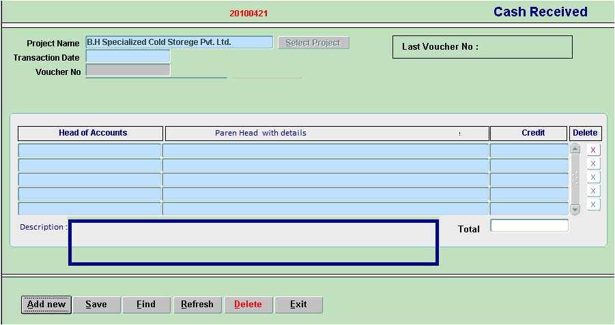
 | cash received
 | Type=CR
 |  |  |  | if select Cash means 5, then it will be debit
 |  |  |  | otherwise it will always credit

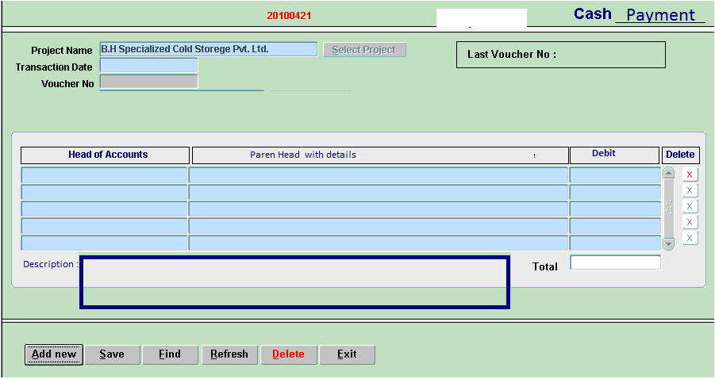
 | Cash Payment
 | type=CP

 |  |  |  | if select Cash means 5, then it will be credit
 |  |  |  | otherwise it will always debit

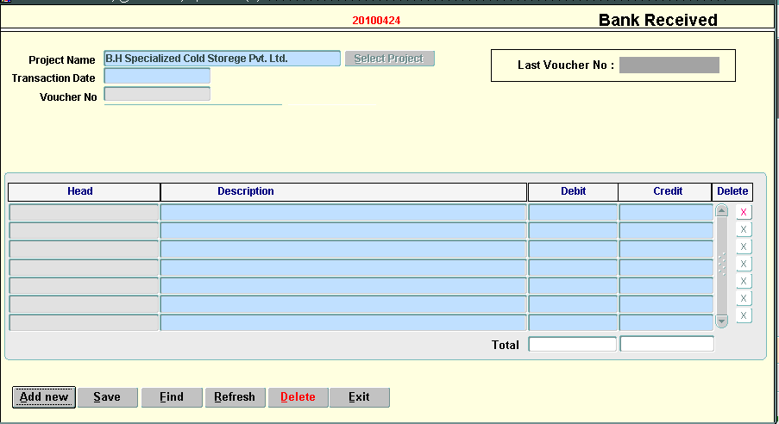
 | Bank Received

 | Type=BR

 |  |  |  |  | Bnak debit, otherwise credit

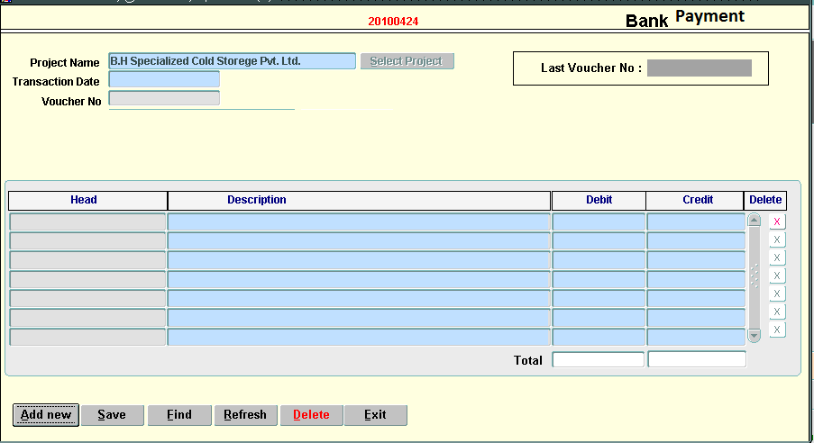
 | Bank Payment

 | Type=BP

 |  |  |  | Bnak credit, otherwise debit

